Insulin Signalling
Gene | Function | Role in Pancreas / Beta Cells | specific subunit | Activity of insulin signalling pathway in the embryonic state
GCK | Glucose sensor enzyme (glucokinase) | Regulates insulin secretion in response to glucose levels
INSR | Insulin receptor | Initiates intracellular insulin signaling upon insulin binding
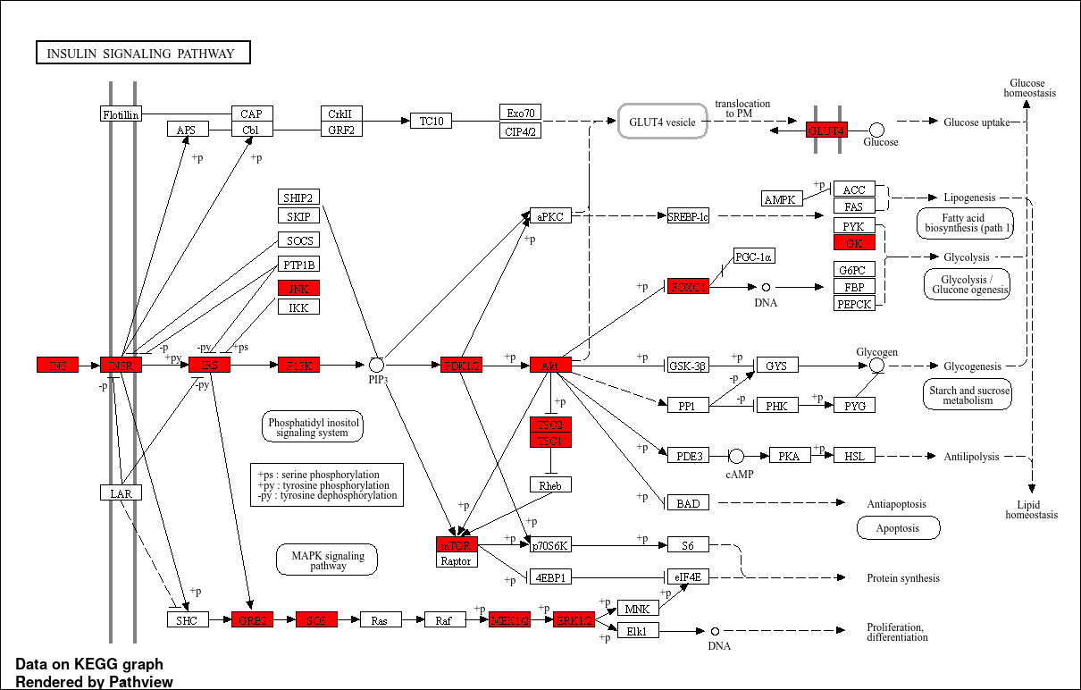
IRS1 | Insulin receptor substrate 1 | Transmits signals from INSR to downstream pathways (e.g., PI3K, MAPK)
IRS2 | Insulin receptor substrate 2 | Similar to IRS1; crucial isoform for beta-cell survival and function
PIK3CA | PI3K catalytic subunit alpha | Activates AKT signaling; controls metabolism and growth | p110α
PIK3CB | PI3K catalytic subunit beta | Works with PIK3CA in activating downstream insulin signaling | p110β
PIK3R1 | PI3K regulatory subunit | Binds IRS to regulate PI3K activation | p85α, p55α, and p50α.
AKT1 | Serine/threonine kinase | Regulates glucose metabolism and cell survival
AKT2 | Serine/threonine kinase | Predominantly regulates glucose uptake; essential in insulin signaling
MTOR | Central regulator of cell metabolism and growth | Integrates signals from insulin to regulate beta-cell growth/function
TSC1 | Regulator of mTOR signaling | Inhibits mTOR activity, maintaining metabolic balance
TSC2 | Regulator of mTOR signaling | Forms complex with TSC1 to control mTOR pathway
SLC2A2 | GLUT2 glucose transporter | Primary glucose transporter in beta cells for sensing blood glucose
SLC2A4 | GLUT4 glucose transporter | Insulin-responsive transporter in muscle and fat; indirectly affects insulin action
MAPK1 | ERK2, part of MAPK pathway | Regulates cell proliferation and survival downstream of insulin signaling | ERK2
MAPK3 | ERK1, part of MAPK pathway | Functions alongside MAPK1 in beta-cell proliferation and insulin signaling | ERK1
GRB2 | Adapter protein | Links insulin receptor to Ras-MAPK pathway
SOS1 | Guanine nucleotide exchange factor | Activates Ras signaling in insulin-MAPK pathway
FOXO1 | Transcription factor | Regulates gluconeogenesis and apoptosis; inhibited by insulin via AKT
PDPK1 | Kinase activating AKT | Crucial mediator of PI3K-AKT signaling cascade
MAPK10 | JNK3 kinase, MAP kinase family | Associated with stress signaling; may influence beta-cell apoptosis
MAP2K1 | MEK1, MAP kinase kinase | Activates MAPK1/3 in insulin signaling cascade | MEK1
MAP2K2 | MEK2, MAP kinase kinase | Works with MAP2K1 to activate MAPK1/3 | MEK2
KIAA1324 | ER-located protein; stress response | Involved in beta-cell survival and ER stress response
DDIT3 |  | Apoptosis regulation
BCL2 |  | Apoptosis regulation
BAX |  | Apoptosis regulation
CCND1 |  | Cell cycle regulation, induced by FOXO1
SLC2A1 | GLUT1 glucose transporter | upreg by FOXO1
NFATC2 |  | modulated by ERK
TCF3 | Transcription factor | regulating the expression of genes involved in the RAS-ERK pathway

Glucagon Signalling
Gene | Function |  | Activity of glucagon signalling pathway in the embryonic state
GCGR | G protein-coupled receptor that mediates the effects of glucagon, activating intracellular signaling pathways that promote glucose production in the liver.
GCG | Peptide hormone secreted by pancreatic alpha cells that binds to GCGR to raise blood glucose levels.
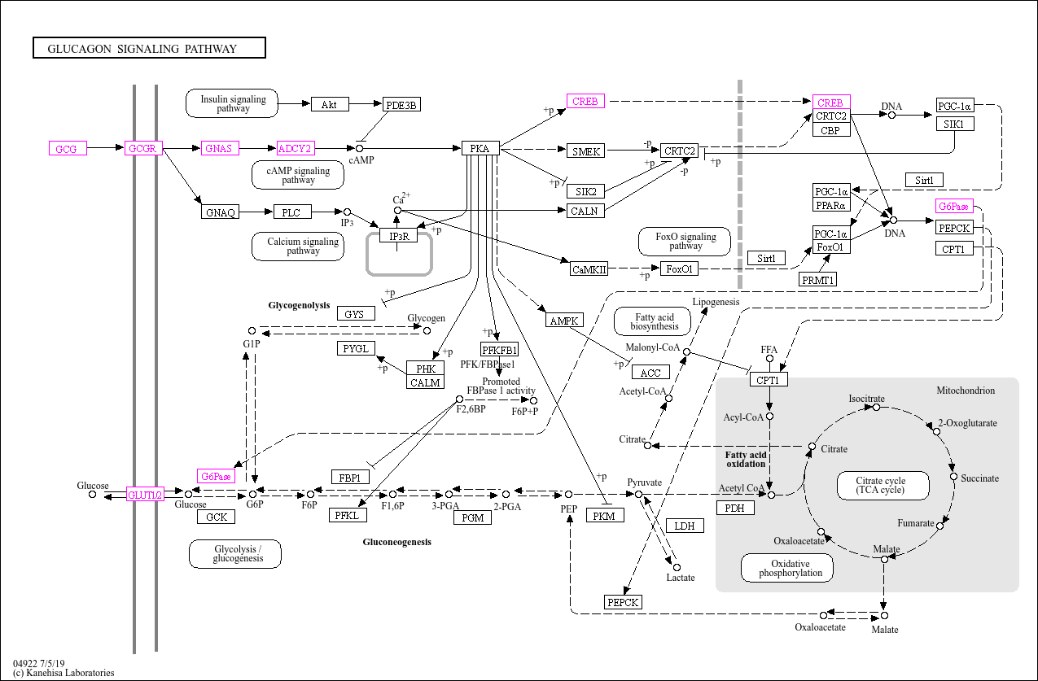
GNAS | Encodes Gαs, which activates adenylyl cyclase upon glucagon receptor activation, leading to increased cAMP levels and activation of PKA.
ADCY2 | Converts ATP to cAMP, a second messenger that activates PKA, driving the glucagon signaling cascade.
PRKACA | Catalytic subunit of PKA, activated by cAMP, mediating the cellular effects of glucagon such as glycogen breakdown and gluconeogenesis.
GSK3B | Regulates glycogen metabolism; inhibition by glucagon signaling promotes glycogen breakdown.
FOS | Part of the AP-1 transcription factor complex, activated by glucagon to regulate gluconeogenesis-related gene expression.
CREB1 | A transcription factor activated by PKA that regulates genes involved in gluconeogenesis, such as PEPCK and G6PC.
PCK1 | Key enzyme in gluconeogenesis; regulated by glucagon signaling to promote glucose production. | MAY BE LIVER ONLY
G6PC | Involved in the final step of gluconeogenesis, converting glucose-6-phosphate into glucose. Activated by glucagon signaling. | MAY BE LIVER ONLY
AKT1 | Plays a role in hepatic glucose metabolism and may be involved in regulating glucagon-induced glucose production.
PRKAB1 | Subunit of AMPK, which helps regulate energy balance and glucose metabolism, potentially influencing glucagon signaling.
SLC2A2 | Facilitates glucose uptake and may play a role in glucagon-induced glucose release in the liver.

Cell Cylce Regulation
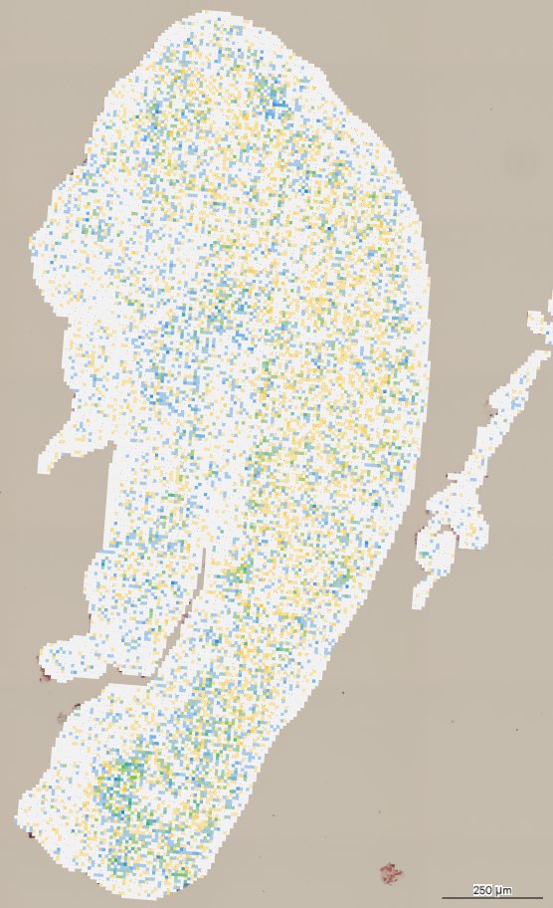
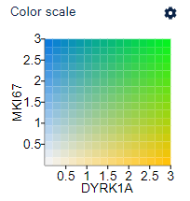
Genes | List | Notes
CDK4 | Cell Cycle Regulators | Cyclin-dependent kinase, promotes G1-S phase transition
CCND1 | Cell Cycle Regulators | Forms complex with CDK4/6 to push cells through G1
CCND2 | Cell Cycle Regulators | Essential for postnatal β-cell proliferation
CDKN1A | Cell Cycle Regulators | Inhibitor of CDKs; downregulation permits proliferation
CDKN1B | Cell Cycle Regulators | Inhibitor of CDKs; downregulation permits proliferation
E2F1 | Cell Cycle Regulators | Transcription factor promoting S-phase
RB1 | Cell Cycle Regulators | Phosphorylation releases E2F
DYRK1A | Cell Cycle Regulators | Downregulation permits proliferation
MKI67 | Active proliferation marker | Marker of actively proliferating cells
GAD2 |  | Glutamate decarboxylase (GABA production)
GAD1 |  | Glutamate decarboxylase (GABA production)
GABRA1 |  | Alpha subunit of GABA-A receptor | GABAA receptors found on all pancreatic endocrine cells + immune cells
GABRA2 |  | Alpha subunit of GABA-A receptor
GABRA3 |  | Alpha subunit of GABA-A receptor
GABRA4 |  | Alpha subunit of GABA-A receptor
GABRA5 |  | Alpha subunit of GABA-A receptor | not though to be expressed in adult pancreas
GABRA6 |  | Alpha subunit of GABA-A receptor
GABRB1 |  | Beta subunit of GABA-A receptor
GABRB2 |  | Beta subunit of GABA-A receptor
GABRB3 |  | Beta subunit of GABA-A receptor
GABRG1 |  | Gamma subunit of GABA-A receptor
GABRG2 |  | Gamma subunit of GABA-A receptor
GABRG3 |  | Gamma subunit of GABA-A receptor
GABRD |  | Delta subunit of GABA-A receptor
GABRE |  | Epsilon subunit of GABA-A receptor
GABRP |  | Pi subunit of GABA-A receptor
GABRQ |  | Theta subunit of GABA-A receptor
GABRR1 |  | Rho subunit of GABA-A receptor
GABRR2 |  | Rho subunit of GABA-A receptor
GABRR3 |  | Rho subunit of GABA-A receptor
NFAT1 | Cell Cycle Regulators | Transcription factor promoting proliferation
NFAT2 | Cell Cycle Regulators | Transcription factor promoting proliferation
NFAT4 | Cell Cycle Regulators | Transcription factor promoting proliferation

